Extracted data
Food type | kg CO2 eq/capita/year
Grain products | 63.231850117
Fresh fruit | 31.615925059
Processed fruit | 42.154566745
Fres vegetables | 50.585480094
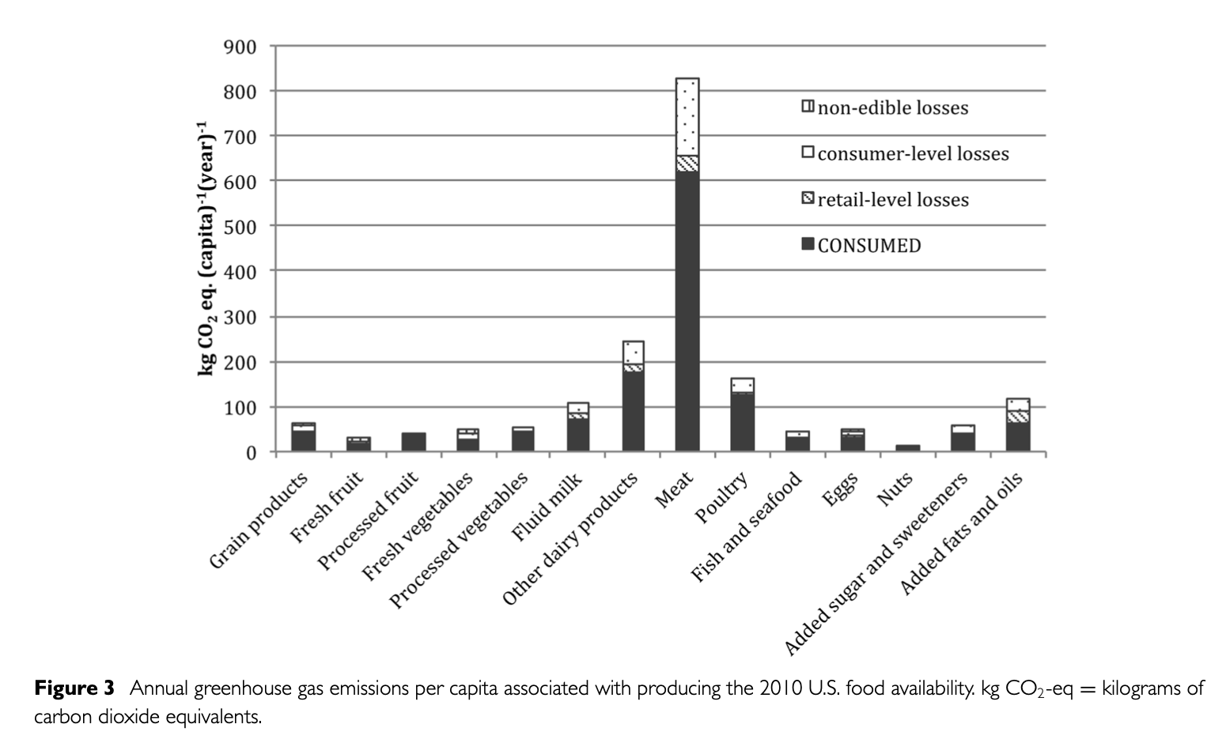
Processed vegetables | 54.800936768
Fluid milk | 107.4941452
Other dairy products | 244.49648712
Meat | 826.2295082
Poultry | 162.29508197
Fisn and seafood | 44.262295082
Eggs | 48.477751756
Nuts | 12.646370023
Sugar and sweeteners | 56.908665105
Added fats and oils | 115.92505855

 |  | M. C. Heller and G. A. Keoleian. Greenhouse gas emission estimates of u.s. dietary choices and food loss. Journal of Industrial Ecology, 19(3):391–401, September 2014.

